10mm (Set 31; 32; 100)
Bestellung Commande Order
Kunde, Client, Cliente:
Kom., Commission:
www.lamifix.ch lamifix@lamifix.ch Tel: +41 / 055 225 48 48
Händler, Distributeur, Dealer:

Ohne Verschraubung |  |  |  |  | Mit Verschraubung |  |  |  |  | Ø 10 mm System
Sans vissage |  |  |  |  | Avec vissage
Without screwing |  |  |  |  | With screwing |  |  | Set 31 |  |  |  | Set 32

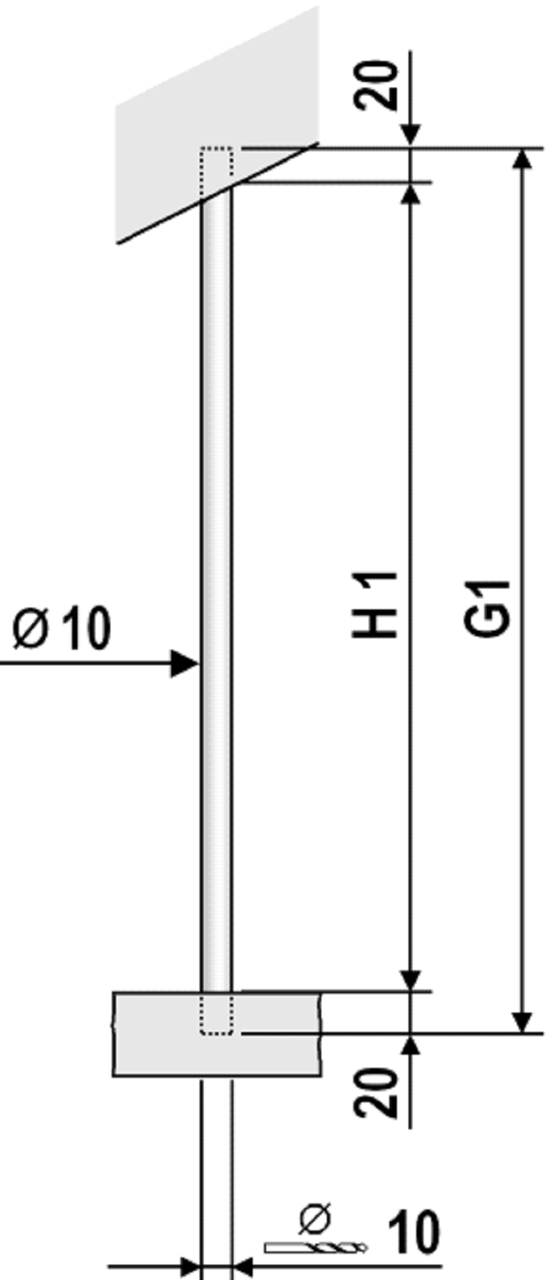
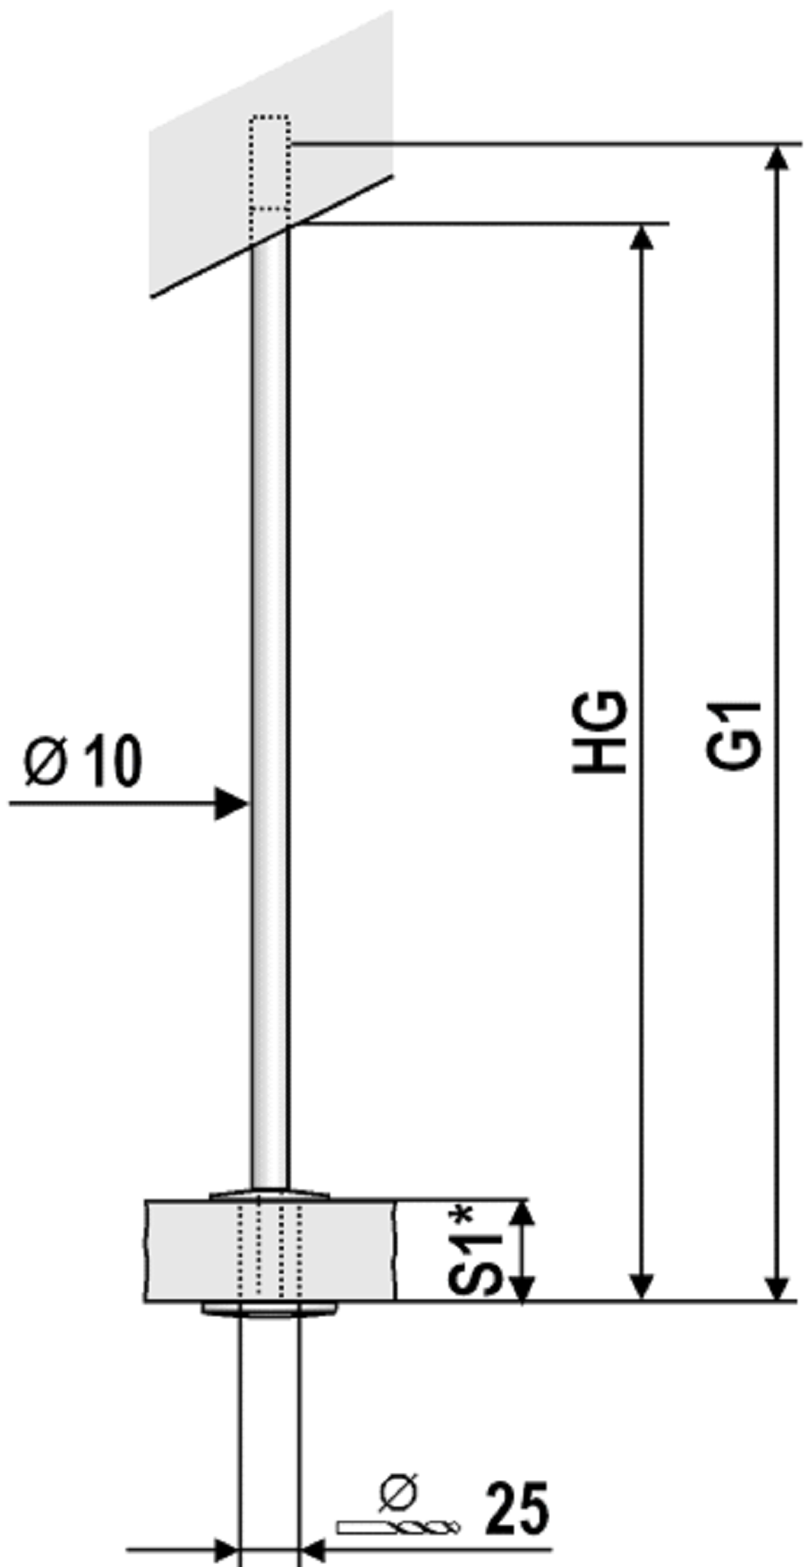
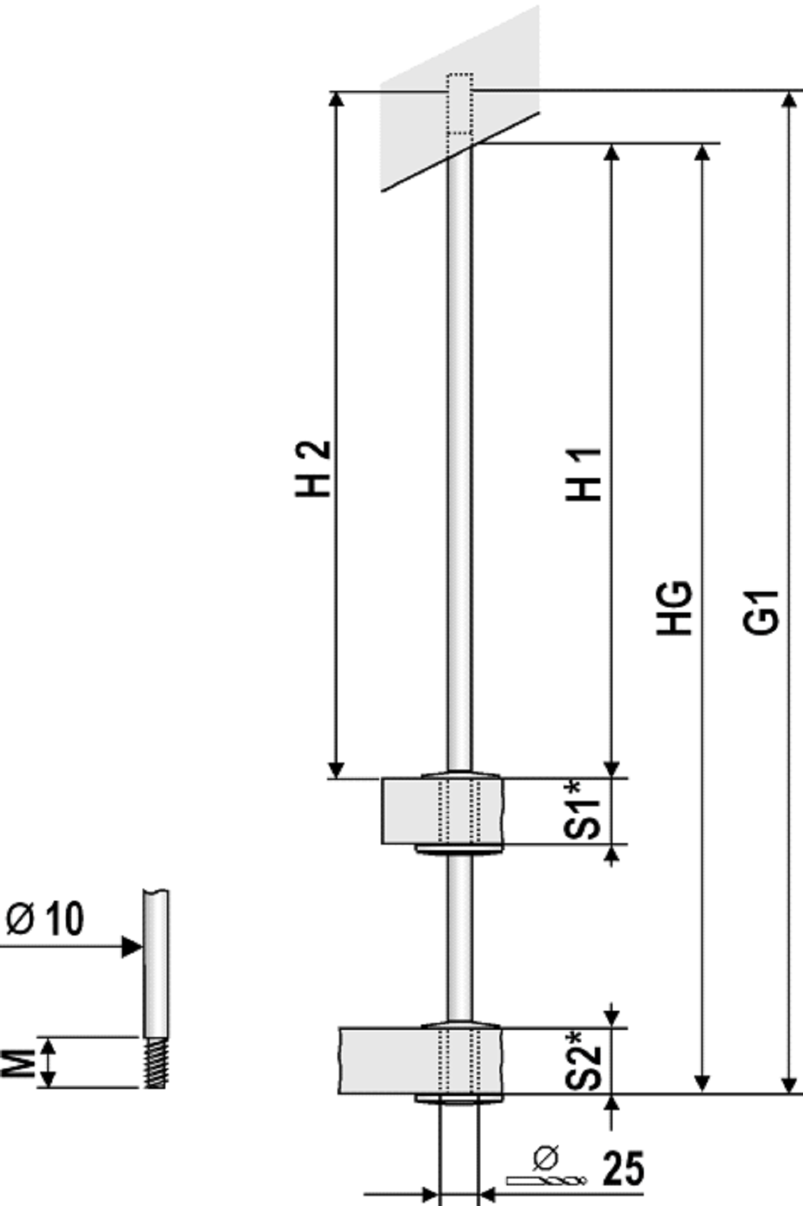

 |  |  |  |  |  |  |  |  |  |  |  |  |  |  |  |  |  |  |  |  |  | Kontrolle:
No | H1 | +40 | =G1 | Stk | HG | +35 | =G1 | S1 | -6 | =M | Stk | HG | +35 | =G1 | H1 | +39 | =H2 | S2 | -6 | =M | Stk | Set 32
1 |  | +40 |  |  |  | +35 |  |  | -6 |  |  |  | +35 |  |  | +39 |  |  | -6 |  |  | 0
2 |  | +40 |  |  |  | +35 |  |  | -6 |  |  |  | +35 |  |  | +39 |  |  | -6 |  |  | 0
3 |  | +40 |  |  |  | +35 |  |  | -6 |  |  |  | +35 |  |  | +39 |  |  | -6 |  |  | 0
4 |  | +40 |  |  |  | +35 |  |  | -6 |  |  |  | +35 |  |  | +39 |  |  | -6 |  |  | 0
5 |  | +40 |  |  |  | +35 |  |  | -6 |  |  |  | +35 |  |  | +39 |  |  | -6 |  |  | 0
6 |  | +40 |  |  |  | +35 |  |  | -6 |  |  |  | +35 |  |  | +39 |  |  | -6 |  |  | 0
7 |  | +40 |  |  |  | +35 |  |  | -6 |  |  |  | +35 |  |  | +39 |  |  | -6 |  |  | 0
8 |  | +40 |  |  |  | +35 |  |  | -6 |  |  |  | +35 |  |  | +39 |  |  | -6 |  |  | 0
9 |  | +40 |  |  |  | +35 |  |  | -6 |  |  |  | +35 |  |  | +39 |  |  | -6 |  |  | 0
10 |  | +40 |  |  |  | +35 |  |  | -6 |  |  |  | +35 |  |  | +39 |  |  | -6 |  |  | 0
11 |  | +40 |  |  |  | +35 |  |  | -6 |  |  |  | +35 |  |  | +39 |  |  | -6 |  |  | 0
12 |  | +40 |  |  |  | +35 |  |  | -6 |  |  |  | +35 |  |  | +39 |  |  | -6 |  |  | 0
13 |  | +40 |  |  |  | +35 |  |  | -6 |  |  |  | +35 |  |  | +39 |  |  | -6 |  |  | 0
14 |  | +40 |  |  |  | +35 |  |  | -6 |  |  |  | +35 |  |  | +39 |  |  | -6 |  |  | 0
15 |  | +40 |  |  |  | +35 |  |  | -6 |  |  |  | +35 |  |  | +39 |  |  | -6 |  |  | 0
16 |  | +40 |  |  |  | +35 |  |  | -6 |  |  |  | +35 |  |  | +39 |  |  | -6 |  |  | 0
17 |  | +40 |  |  |  | +35 |  |  | -6 |  |  |  | +35 |  |  | +39 |  |  | -6 |  |  | 0
18 |  | +40 |  |  |  | +35 |  |  | -6 |  |  |  | +35 |  |  | +39 |  |  | -6 |  |  | 0
19 |  | +40 |  |  |  | +35 |  |  | -6 |  |  |  | +35 |  |  | +39 |  |  | -6 |  |  | 0
20 |  | +40 |  |  |  | +35 |  |  | -6 |  |  |  | +35 |  |  | +39 |  |  | -6 |  |  | 0
21 |  | +40 |  |  |  | +35 |  |  | -6 |  |  |  | +35 |  |  | +39 |  |  | -6 |  |  | 0
22 |  | +40 |  |  |  | +35 |  |  | -6 |  |  |  | +35 |  |  | +39 |  |  | -6 |  |  | 0
23 |  | +40 |  |  |  | +35 |  |  | -6 |  |  |  | +35 |  |  | +39 |  |  | -6 |  |  | 0
24 |  | +40 |  |  |  | +35 |  |  | -6 |  |  |  | +35 |  |  | +39 |  |  | -6 |  |  | 0
25 |  | +40 |  |  |  | +35 |  |  | -6 |  |  |  | +35 |  |  | +39 |  |  | -6 |  |  | 0
26 |  | +40 |  |  |  | +35 |  |  | -6 |  |  |  | +35 |  |  | +39 |  |  | -6 |  |  | 0
27 |  | +40 |  |  |  | +35 |  |  | -6 |  |  |  | +35 |  |  | +39 |  |  | -6 |  |  | 0
28 |  | +40 |  |  |  | +35 |  |  | -6 |  |  | Holzart
29 |  | +40 |  |  |  | +35 |  |  | -6 |  |  | Sorte de bois
30 |  | +40 |  |  |  | +35 |  |  | -6 |  |  | Type of wood

10mm Decke (Set 98; 99)
Bestellung Commande Order
Kunde, Client, Cliente: |  |  |  | Deckenanschluss mit Set 98+99
Kom., Commission:
www.lamifix.ch lamifix@lamifix.ch Tel: +41 / 055 225 48 48
Händler, Distributeur, Dealer:

Ohne Verschraubung |  |  |  |  | Mit Verschraubung |  |  |  |  | Ø 10 mm System
Sans vissage |  |  |  |  | Avec vissage
Without screwing |  |  |  |  | With screwing |  |  | Set 31 |  |  |  | Set 32

 |  |  |  |  |  |  |  |  |  |  |  |  |  |  |  |  |  |  |  |  |  | Kontrolle:
No | H1 | +40 | =G1 | Stk | HG | +35 | =G1 | S1 | -6 | =M | Stk | HG | +35 | =G1 | H1 | +39 | =H2 | S2 | -6 | =M | Stk | Set 32
1 |  | +40 |  |  |  | +35 |  |  | -6 | 36/? |  |  | +35 |  |  | +39 |  |  | -6 | 36/? |  | 0
2 |  | +40 |  |  |  | +35 |  |  | -6 | 36/? |  |  | +35 |  |  | +39 |  |  | -6 | 36/? |  | 0
3 |  | +40 |  |  |  | +35 |  |  | -6 | 36/? |  |  | +35 |  |  | +39 |  |  | -6 | 36/? |  | 0
4 |  | +40 |  |  |  | +35 |  |  | -6 | 36/? |  |  | +35 |  |  | +39 |  |  | -6 | 36/? |  | 0
5 |  | +40 |  |  |  | +35 |  |  | -6 | 36/? |  |  | +35 |  |  | +39 |  |  | -6 | 36/? |  | 0
6 |  | +40 |  |  |  | +35 |  |  | -6 | 36/? |  |  | +35 |  |  | +39 |  |  | -6 | 36/? |  | 0
7 |  | +40 |  |  |  | +35 |  |  | -6 | 36/? |  |  | +35 |  |  | +39 |  |  | -6 | 36/? |  | 0
8 |  | +40 |  |  |  | +35 |  |  | -6 | 36/? |  |  | +35 |  |  | +39 |  |  | -6 | 36/? |  | 0
9 |  | +40 |  |  |  | +35 |  |  | -6 | 36/? |  |  | +35 |  |  | +39 |  |  | -6 | 36/? |  | 0
10 |  | +40 |  |  |  | +35 |  |  | -6 | 36/? |  |  | +35 |  |  | +39 |  |  | -6 | 36/? |  | 0
11 |  | +40 |  |  |  | +35 |  |  | -6 | 36/? |  |  | +35 |  |  | +39 |  |  | -6 | 36/? |  | 0
12 |  | +40 |  |  |  | +35 |  |  | -6 | 36/? |  |  | +35 |  |  | +39 |  |  | -6 | 36/? |  | 0
13 |  | +40 |  |  |  | +35 |  |  | -6 | 36/? |  |  | +35 |  |  | +39 |  |  | -6 | 36/? |  | 0
14 |  | +40 |  |  |  | +35 |  |  | -6 | 36/? |  |  | +35 |  |  | +39 |  |  | -6 | 36/? |  | 0
15 |  | +40 |  |  |  | +35 |  |  | -6 | 36/? |  |  | +35 |  |  | +39 |  |  | -6 | 36/? |  | 0
16 |  | +40 |  |  |  | +35 |  |  | -6 | 36/? |  |  | +35 |  |  | +39 |  |  | -6 | 36/? |  | 0
17 |  | +40 |  |  |  | +35 |  |  | -6 | 36/? |  |  | +35 |  |  | +39 |  |  | -6 | 36/? |  | 0
18 |  | +40 |  |  |  | +35 |  |  | -6 | 36/? |  |  | +35 |  |  | +39 |  |  | -6 | 36/? |  | 0
19 |  | +40 |  |  |  | +35 |  |  | -6 | 36/? |  |  | +35 |  |  | +39 |  |  | -6 | 36/? |  | 0
20 |  | +40 |  |  |  | +35 |  |  | -6 | 36/? |  |  | +35 |  |  | +39 |  |  | -6 | 36/? |  | 0
21 |  | +40 |  |  |  | +35 |  |  | -6 | 36/? |  |  | +35 |  |  | +39 |  |  | -6 | 36/? |  | 0
22 |  | +40 |  |  |  | +35 |  |  | -6 | 36/? |  |  | +35 |  |  | +39 |  |  | -6 | 36/? |  | 0
23 |  | +40 |  |  |  | +35 |  |  | -6 | 36/? |  |  | +35 |  |  | +39 |  |  | -6 | 36/? |  | 0
24 |  | +40 |  |  |  | +35 |  |  | -6 |  |  |  | +35 |  |  | +39 |  |  | -6 |  |  | 0
25 |  | +40 |  |  |  | +35 |  |  | -6 |  |  |  | +35 |  |  | +39 |  |  | -6 |  |  | 0
26 |  | +40 |  |  |  | +35 |  |  | -6 |  |  |  | +35 |  |  | +39 |  |  | -6 |  |  | 0
27 |  | +40 |  |  |  | +35 |  |  | -6 |  |  |  | +35 |  |  | +39 |  |  | -6 |  |  | 0
28 |  | +40 |  |  |  | +35 |  |  | -6 |  |  | Holzart
29 |  | +40 |  |  |  | +35 |  |  | -6 |  |  | Sorte de bois
30 |  | +40 |  |  |  | +35 |  |  | -6 |  |  | Type of wood

